Sheet1
Arm Connection Design Calculations |  |  |  |  |  |  |  |  |  |  | Arm Connection Design Calculations

Job No: |  | Quote No: |  |  | Date: | 2024-06-19 |  |  |  |  | Job No: |  | Quote No: |  |  | Date: | 45462
Customer: | Sabre Software Development |  |  |  | Project: | PT ARM TO POLE CONNECTION |  |  |  |  | Customer: | Sabre Software Development |  |  |  | Project: | PT ARM TO POLE CONNECTION
Structure: | Bracket C3-60 |  |  |  |  |  |  |  |  |  | Structure: | Bracket C3-60

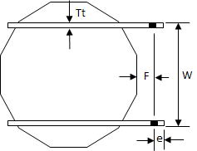
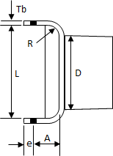
Arm Configuration |  |  |  |  |  |  |  |  |  |  | Arm Shaft Information
 | Shape: | Octagonal |  | Orient. : | Flat-Flat
 | Tip F-F OD: | 6 | in | Tip Pt-Pt OD: | 6.49 | in |  |  |  |  |  |  |  | Shape : | Octagonal |  |  | Orientation : | Flat-Flat
 | Base F-F OD: | 7 | in | Base Pt-Pt OD: | 7.58 | in |  |  |  |  |  |  |  | Tip F-F OD : | 6 | in |  | Tip Pt-Pt OD : | 6.49 | in
 | Thickness: | 0.1875 | in | Grade: | 65 | ksi |  |  |  |  |  |  |  | Base F-F OD : | 7 | in |  | Base Pt-Pt OD : | 7.58 | in
 |  |  |  |  |  |  |  |  |  |  |  |  |  | Thickness : | 0.1875 | in
 | Arm Horz. Length: | 6 | ft | From: | Pole Face |  |  |  |  |  |  |  |  | Arm Shaft Horz. Length, L : | 5.2292 | ft |  | Arm Rise, H : | -0.5 | in
 | Curve Radius: | 0 | ft
 | Rise: | -0.5 | in | -0.5 | (Overwrite) |  |  |  |  |  |  |  |  | Usage: | 72.39% |  |  | Allowable Stress, Fa : | 65.00 | ksi
 | Curve Start from Tip: | 0 | ft

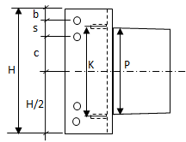
FT
ML
MT
FV
MV
FL
Loads |  |  |  |  |  |  |  |  |  |  |  |  |  | Curve Type : | 0 | Tilt Angle, b: |  | Notes
 |  |  |  | Distance from Tip |  |  |  |  |  |  |  |  |  | Arm Tip Tilt Height : | 0 | in
 | Wt. OLF: | 1.00 |  | Load Point 1: |  | ft |  |  |  |  |  |  |  | Curve Radius, R : | 0 | Ft
 |  |  |  | Load Point 2: |  | ft |  |  |  |  |  |  |  | Curve Start from Tip, d : | 0.00 | Ft
 | Reactions At Pole Face |  |  |  |  |  |  |  |  |  |  |  |  | Non-Radius Length from Base, u : | NA | Ft
 | Force |  |  | Moment |  |  |  |  |  |  |  |  |  | Arm Shaft C-C Cord Length, C : | NA | Ft
 | Vert., FV: | 4.91 | kips | Vert., MV: | 29.11 | ft-kips |  |  |  |  |  |  |  | Arm Shaft C-C Length, S : | 5.2293 | Ft
 | Trans., FT: | 0.99 | kips | Trans., MT: | 0.10 | ft-kips |  |  |  |  |  |  |  | Arm Shaft Tip-Tip Length : | 5.2250 | Ft |  | Note: Stiffeners required for bracket!
 | Long., FL: | 1.74 | kips | Long., ML: | 10.00 | ft-kips |  |  |  |  |  |  |  | Radius Angle, a : | NA | Deg
 |  |  |  |  |  |  |  |  |  |  |  |  |  | Arm Base Miter & Tilt Angle, φ : | -0.46 | Deg
Bolts |  |  |  |  |  |  |  |  |  |  |  |  |  | Arm Tip Miter Angle, d : | -0.46 | Deg
 | Spec: | A325 |  | Fy: | 81 | ksi
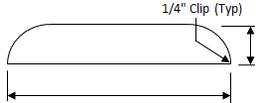
 | Diameter: | 1.25 | in | Fu: | 105 | ksi |  |  |  |  |  |  |  | Shaft Weight: | 69 | Lbs
 | Quantity: | 8 |  | Gross Area: | 1.227 | in2 |  |  |  |  |  |  |  | Bracket & Gussets Weight: | 119 | Lbs
 |  |  |  | Tens. Area: | 0.969 | in2 |  |  | 2.25 | 2.25 |  |  |  | Total Weight: | 188 | Lbs
 | Shear plan: | Exclude Threads |  | Shear Cap.: | 47.25 | ksi

 | Center Space, c: | 1.75 | in
 | Spacing, s: | 3.5 | in |  | (Overwrite) |  |  | 11
 | Side Edge, e: | 1.75 | in |  | (Overwrite)
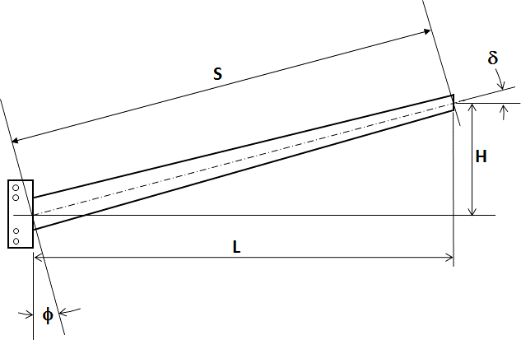
 | Top & Bot Edge, b: | 2.75 | in

Bracket & Thru-Plates |  |  |  |  |  |  | Results

Bracket |  |  |  | Design |  |  | Bolts
 | Coped: | No |  |  |  |  |  | Max. Shear: | 17.08 | kips
 | Grade: | 65 | ksi |  |  |  |  | Max. Shear Stress: | 13.92 | ksi
 | Fu: | 80 | ksi |  |  |  |  | % of Capcity: | 29.5%
 | Thickness, Tb: | 1 | in
 | Opening, L: | 11.125 | in | (Overwrite) |  |  |  | (8) 1.25" Dia. x 4" Long - A325 Bolts
 | Height, H: | 16 | in | 16 |  |  |  |  | 2" Thread Length
 | Inside Face to Bolt, A: | 5.25 | in
 | Leg Length, B: | 8 | in |  |  |  | Bracket & Thru-PL
 | Bend Radius, R: | 3 | in |  |  |  |  | Max. Stress: | 55.77 | ksi
 |  |  |  |  |  |  |  | % of Capcity: | 85.80%
 |  | 2
 | Thickness: | 0.1875 | in |  |  |  |  | Shear Rupture Stress: | 8.04 | ksi
 | Min. Width: | 2.25 | in | Ctr. Width: | 2.25 | in |  | Allowable Shear Rup.: | 36 | ksi
 | Spacing, K: | 7.1875 | in |  |  |  |  | % of Capcity: | 22.33%

Thru Plates |  |  |  |  |  |  |  | Bearing Stress: | 13.67 | ksi
 | Grade: | 65 |  |  |  |  |  | Allow. Bearing Stress: | 152 | ksi
 | Fu: | 80 | ksi | (Overwrite) |  |  |  | % of Capcity: | 8.99%
 | Thickness, Tt: | 1 | in
 | Opening, W: | 11 | in |  |  |  | Thru-Plate: | (2) PL 1 x 16 x As Req'd
 | Flat to Bolt, F: | 3 | in
 | Height, H: | 16 | in |  |  |  | Bracket: | (1) PL 1 x 16 x As Req'd
 |  |  |  |  |  |  | Stiffener: | (2) PL 0.1875" x 2.25" x 11" Spaced @ 7.1875"
 |  |  |  |  |  |  | Weld: | Fillet 0.3125"
φ
φ
L
d
H
R
φ/2
c
e
b
 |  |  |  |  |  |  | Arm-to-Brkt Weld: | PJP with 0.375" Fillet Overlay

